Overview
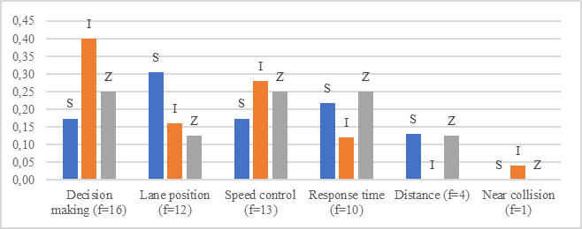
Relative count
code |  | S | I | Z | f
Decision making | Decision making w(f)=13,2 | 1.82 | 9.38 | 2.00 | 13
Speed control | Speed control w(f)=10,4 | 1.82 | 6.56 | 2.00 | 10
Lane position | Lane position w(f)=7,9 | 3.18 | 3.75 | 1.00 | 8
Response time | Response time w(f)=7,1 | 2.27 | 2.81 | 2.00 | 7
Distance | Distance w(f)=4 | 1.36 | 0.00 | 0.45 | 4
Near collision | Near collision w(f)=1 | 0.00 | 0.45 | 0.00 | 1

